Budget
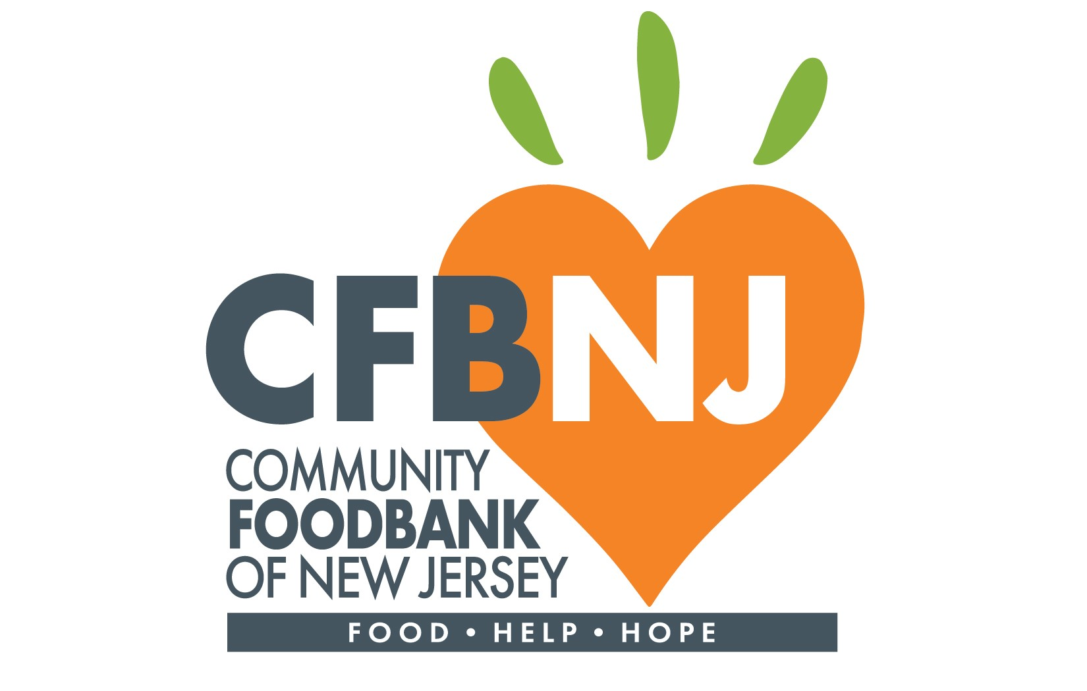 | Instructions: Your budget must clearly match the specific areas of interest for which you are applying and have clearly defined in your proposal. Your budget must reflect the objectives of the Food & Hunger Grant Program and the objectives described within the Grant Notice. You may only budget for Allowable Costs. Allowable Costs include the items clearly described in each eligible category under this grant program. Please be aware, any items purchased as a result of this grant program are the property of NJDA. Whenever applicable and possible, products purchased as a result of this program shall be manufactured or produced in New Jersey or the United States when available. Please contact foodaccessgrant@cfbnj.org should you have any questions.

Advancing Food Access: FY26 Capacity Investment Grant
Project Budget

Grant Categories: 1. Reach-in Cold Storage, 2. Material Handling Equipment, or 3. Other Organizational Investments.
Organization Name: Insert Text

Direct Costs
Item Please specifiy the item (and quantity if applicable) | Category Please include the category in which the item falls under. | Description/Explanation of Expense Please describe which of these objectives this request will address (you may select one or multiple options): Operational Efficiency, Increased Service Reach, Increased Food Volumes, Increased Healthy Food Options, Client Choice & Dignity | Cost Please include costs for line items below. Only numerical text allowed.
Insert Text | Insert Text | Insert Text
Insert Text | Insert Text | Insert Text
Insert Text | Insert Text | Insert Text
Insert Text | Insert Text | Insert Text
Insert Text | Insert Text | Insert Text
Insert Text | Insert Text | Insert Text
Insert Text | Insert Text | Insert Text
Insert Text | Insert Text | Insert Text
Total Project Cost |  |  | $-

